Dashboard
 |  |  |  |  |  | Students Social Media Addiction

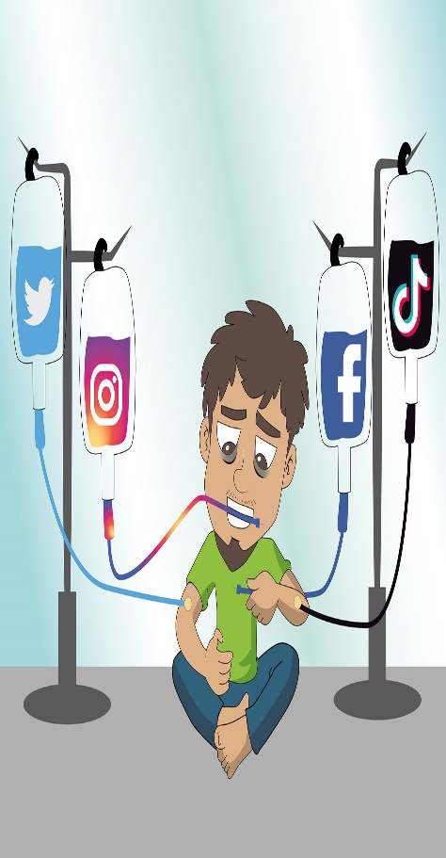

Count of Gender

 | Female | Male
Facebook | 24 | 99
Instagram | 172 | 77
KakaoTalk | 12
LINE | 12
LinkedIn | 8 | 13
Snapchat | 8 | 5
TikTok | 86 | 68
Twitter | 16 | 14
VKontakte |  | 12
WeChat | 4 | 11
WhatsApp | 11 | 43
YouTube |  | 10



Count of Gender | Column Labels
Row Labels | Female | Male | Grand Total |  | Row Labels | Count of Most_Used_Platform
18 | 5 | 9 | 14 |  | Facebook | 123
19 | 135 | 28 | 163 |  | Instagram | 249
20 | 146 | 19 | 165 |  | KakaoTalk | 12
21 | 31 | 125 | 156 |  | LINE | 12
22 | 13 | 134 | 147 |  | LinkedIn | 21
23 | 15 | 19 | 34 |  | Snapchat | 13
24 | 8 | 18 | 26 |  | TikTok | 154
Grand Total | 353 | 352 | 705 |  | Twitter | 30
 |  |  |  |  | VKontakte | 12
 |  |  |  |  | WeChat | 15
 |  |  |  |  | WhatsApp | 54
Row Labels | Count of Gender |  |  |  | YouTube | 10
Female | 353 |  |  |  | Grand Total | 705
Male | 352
Grand Total | 705

 |  |  |  | Count of Gender | Column Labels
 |  |  |  | Row Labels | Female | Male | Grand Total
Count of Academic Level | Column Labels |  |  | Facebook | 24 | 99 | 123
Row Labels | Female | Male | Grand Total | Instagram | 172 | 77 | 249
Graduate | 48 | 277 | 325 | KakaoTalk | 12 |  | 12
High School | 15 | 12 | 27 | LINE | 12 |  | 12
Undergraduate | 290 | 63 | 353 | LinkedIn | 8 | 13 | 21
Grand Total | 353 | 352 | 705 | Snapchat | 8 | 5 | 13
 |  |  |  | TikTok | 86 | 68 | 154
 |  |  |  | Twitter | 16 | 14 | 30
 |  |  |  | VKontakte |  | 12 | 12
 |  |  |  | WeChat | 4 | 11 | 15
 |  |  |  | WhatsApp | 11 | 43 | 54
 |  |  |  | YouTube |  | 10 | 10
 |  |  |  | Grand Total | 353 | 352 | 705

